Page Layout
Project Name |  |  |  | Wow tasty |  | User Type |  |  |  |  | User |  |  |  | Writer | Hak Choi
Phase |  |  |  | Requirements programing design |  | Page Name |  |  |  |  | Invoice |  |  |  | Date | 11/18/2012

 | 1. Page layout

 |  | 1 ) layout
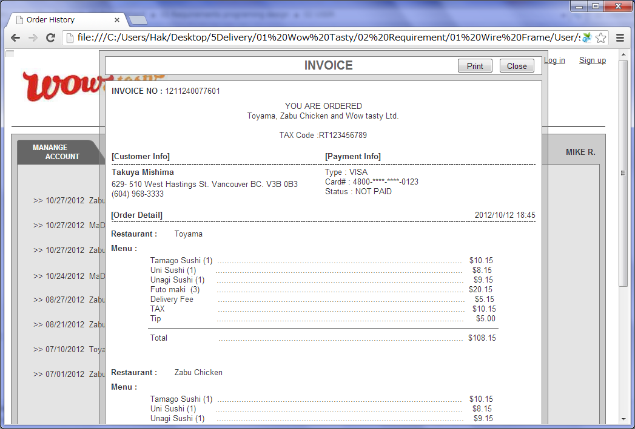

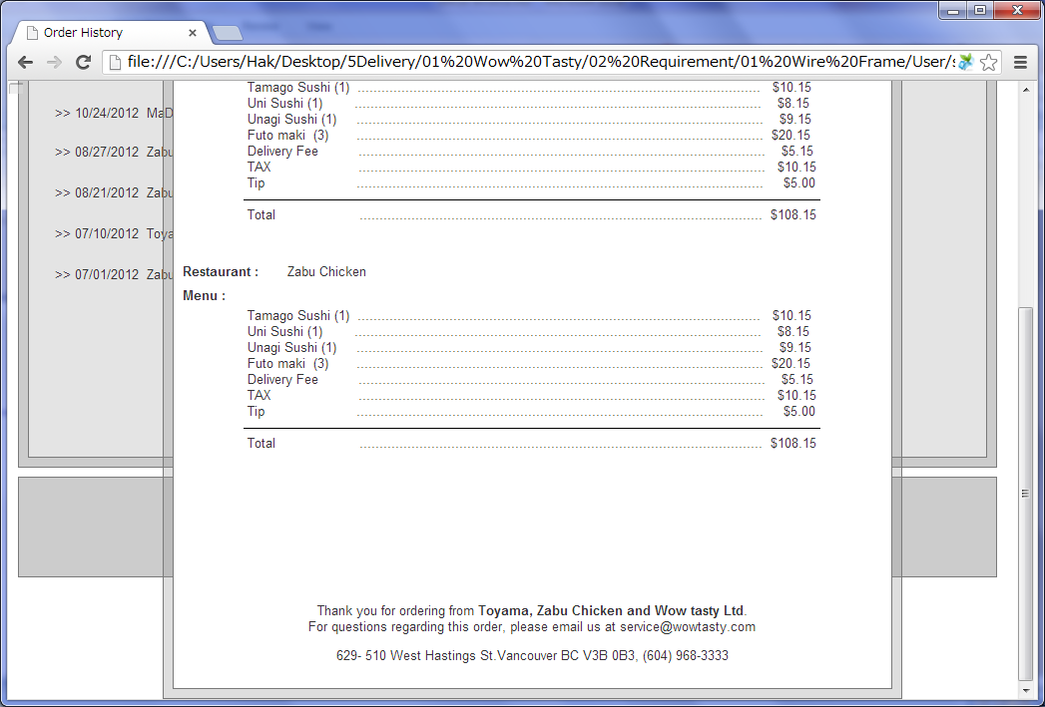

 |  | 2) Field list

 |  | No. | Name |  | Controller |  | Len | Align |  | Default |  | Note
 |  | Header
 |  | 1 | Print |  | Button
 |  | 2 | Close |  | Button
 |  | 3 | Invoice Number |  | Label
 |  | 4 | Company Name |  | Label |  |  |  |  |  |  | Restaurant Names and WowTasty
 |  | 5 | Tax NO. |  | Label |  |  |  |  |  |  | 'RT' + TAX number
 |  | Customer Info
 |  | 6 | Member Name |  | Label |  |  |  |  |  |  | FirstName + space + LastName
 |  | 7 | Member Suite Number |  | Label
 |  | 8 | Member Address |  | Label
 |  | 9 | Member City Name |  | Label
 |  | 10 | Member Province Name |  | Label
 |  | 11 | Member Postal code |  | Label
 |  | 12 | Member Telephone |  | Label
 |  | Payment Info
 |  | 13 | Payment Type |  | Label
 |  | 14 | Card# |  | Label |  |  |  |  |  |  | 9999-****-****-9999
 |  | Order Detail
 |  | 15 | Delivery Time |  | Label
 |  | 16 | Restaurant Name |  | Label
 |  | 17 | Menu Information |  | Label |  |  |  |  |  |  | Show all menus. Menu Name + (Unit) + '……..' + Total Price
 |  | 18 | Option Name |  | Label |  |  |  |  |  |  | Show all options. Option Name
 |  | 19 | Delivery Fee |  | Label |  |  |  |  |  |  | Only if there is delivery fee, show it.
 |  | 20 | TAX |  | Label |  |  |  |  |  |  | 99.00
 |  | 21 | Tip |  | Label |  |  |  |  | 0.00
 |  | 22 | Total |  | Label |  |  |  |  |  |  | 9,999.00
 |  | Footer
 |  | 23 | Company Name |  | Label |  |  |  |  |  |  | Restaurant Names and WowTasty
 |  | 24 | WowTasty Suite Number |  | Label
 |  | 25 | WowTasty Address |  | Label
 |  | 26 | WowTasty City Name |  | Label
 |  | 27 | WowTasty Province Name |  | Label
 |  | 28 | WowTasty Postal code |  | Label
 |  | 29 | WowTasty Telephone |  | Label

 |  | 3) Validation list

 |  | - Unit validation
 |  | No. | Name |  | Required | Type |  |  | Other |  |  |  |  | Error Message

 |  | - Correlation validation
 |  | No. | Condition |  | Field |  |  |  |  |  | Required |  | Other | Error message

Page Transition
Project Name |  |  |  |  | Wow tasty |  | User Type |  | User |  | Writer |  | Hak Choi
Phase |  |  |  |  | Requirements programing design |  | Page Name |  | Invoice |  | Date |  | 11/18/2012

 | 2. Page Transition

 |  | 1) Event List

 |  | No. | Name |  |  | Event |  | Condition |  | Destination page
 |  | 1 | Print |  |  | Click |  |  |  | Print Invoice
 |  | 2 | Close |  |  | Click |  |  |  | Hide [Invoice] layer

 |  | 2) Page Transition |  |  |  |  |  |  |  |  |  | page |  | layer
1, 2

 |  |  |  | Invoice

